Sheet1
 | Version 2 - 18:33 04/03/21 | Applicants are required to complete the 12 grey boxes below. |  |  |  | 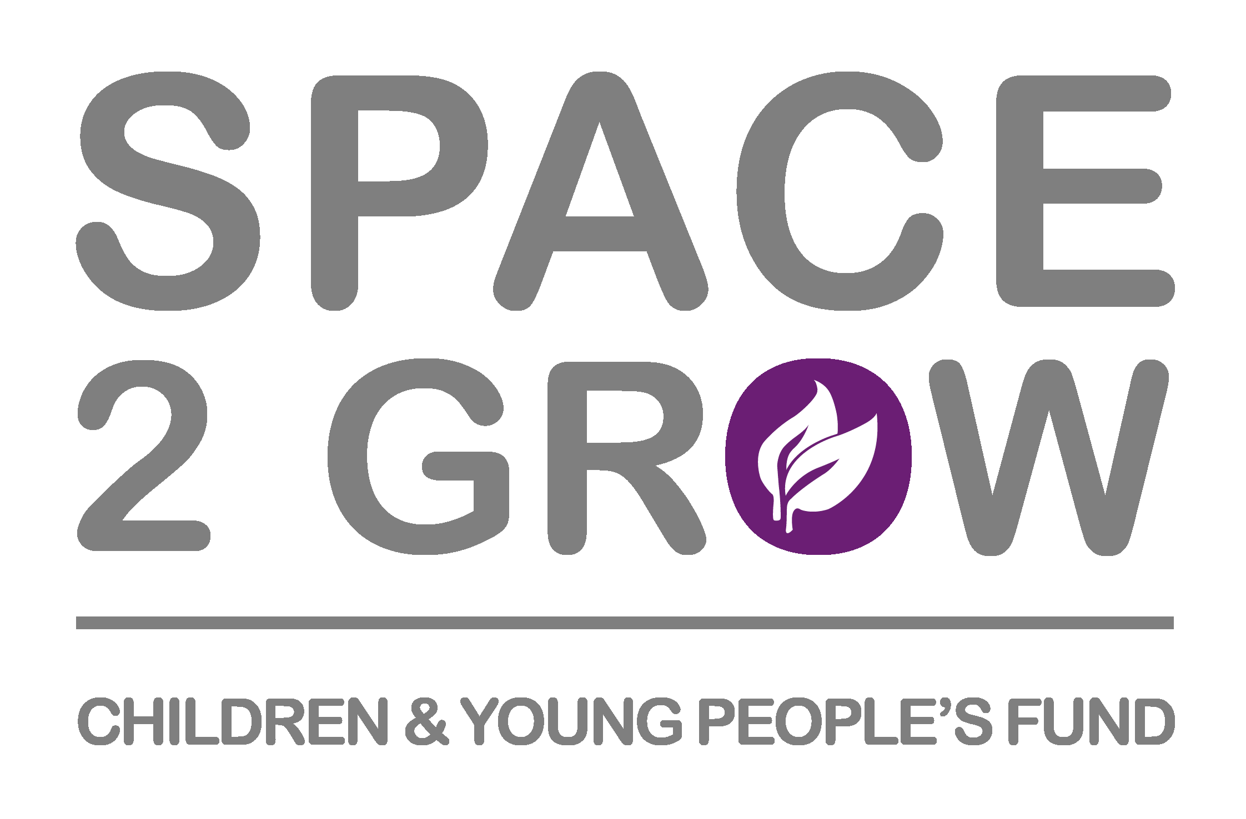

 |  | SESSION 1 | SESSION 2 | SESSION 3 | SESSION 4 | Help: The 5 step process;

This form is for use by Young Barnet Foundation members to apply for Space2Grow Easter Holiday Activity Funding | Date of Delivery |  |  |  |  | 1) Pick a date of delivery from the drop down provided

 | Number of Hours Per Session |  |  |  |  | 2) Enter a number. Should be a minimum of 4 hours per session. Half hour to be shown as 0.5, so 5 and a half hour session would be shown as 5.5

 | Estimated number of young participants |  |  |  |  | 3) Estimate the total number of partipants you will attending the session. This must be in line with NYA/Governament Guidance. (currently max 15)

 |  | 0 | 0 | 0 | 0 | 4) Save this document as "Space2Grow Easter Holiday Fund Application Spreadsheet - <Organisation Name>"
 |  | 0 | 0 | 0 | 0
 |  |  |  |  |  | 5) Now complete the Jotform and attach this document when requested

 |  |  | Total Number of Attendees | 0

 |  |  | Total Amount of Funding you are applying for | £0.00 | (THIS INCLUDES THE £60 PER DAY UPLIFT)
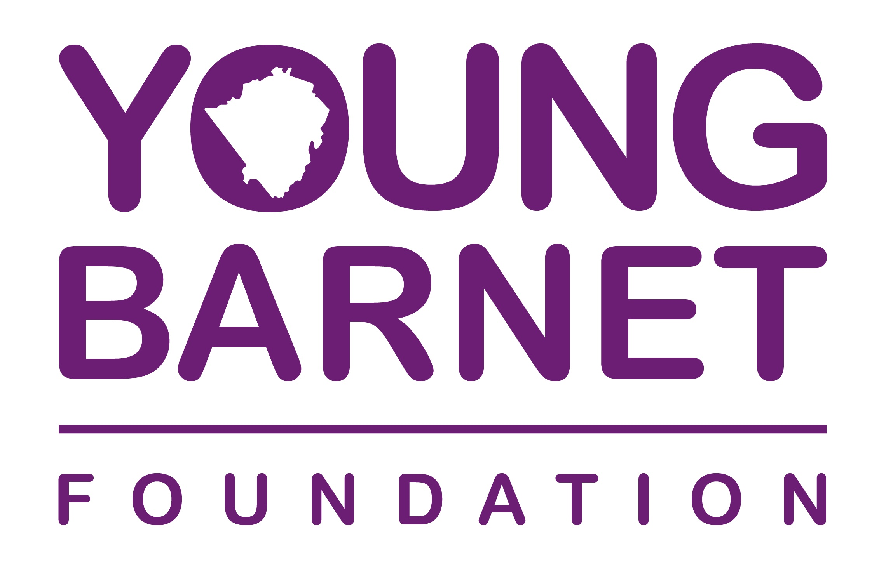
 |  |  | Cumulative amount of hours of delivery | 0

